Sheet1
1
3
4
Lot Holder Name: | Issue | Photo: | Remark
Lot # 14 Justlea Realty Inc. | 1.) Platform Outside Property 2.) Part of walkway. 3.) Part of Walking in Front 4.)House | 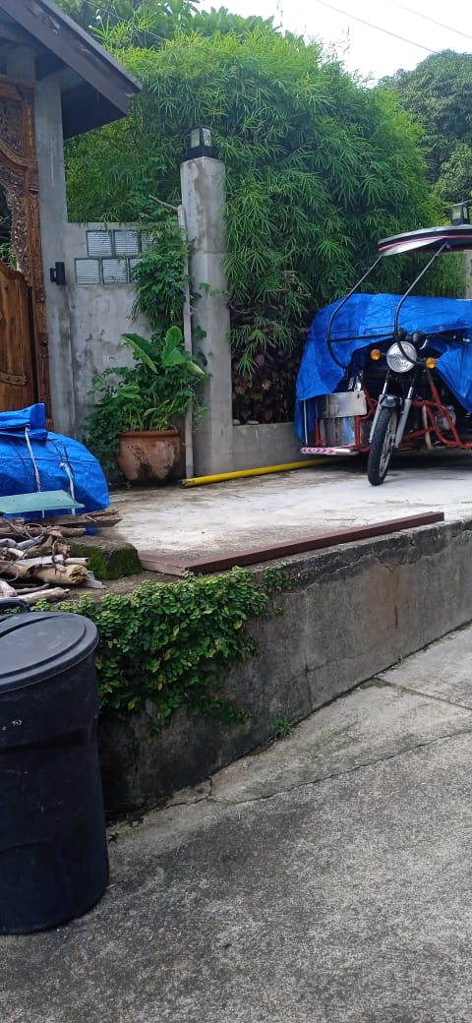 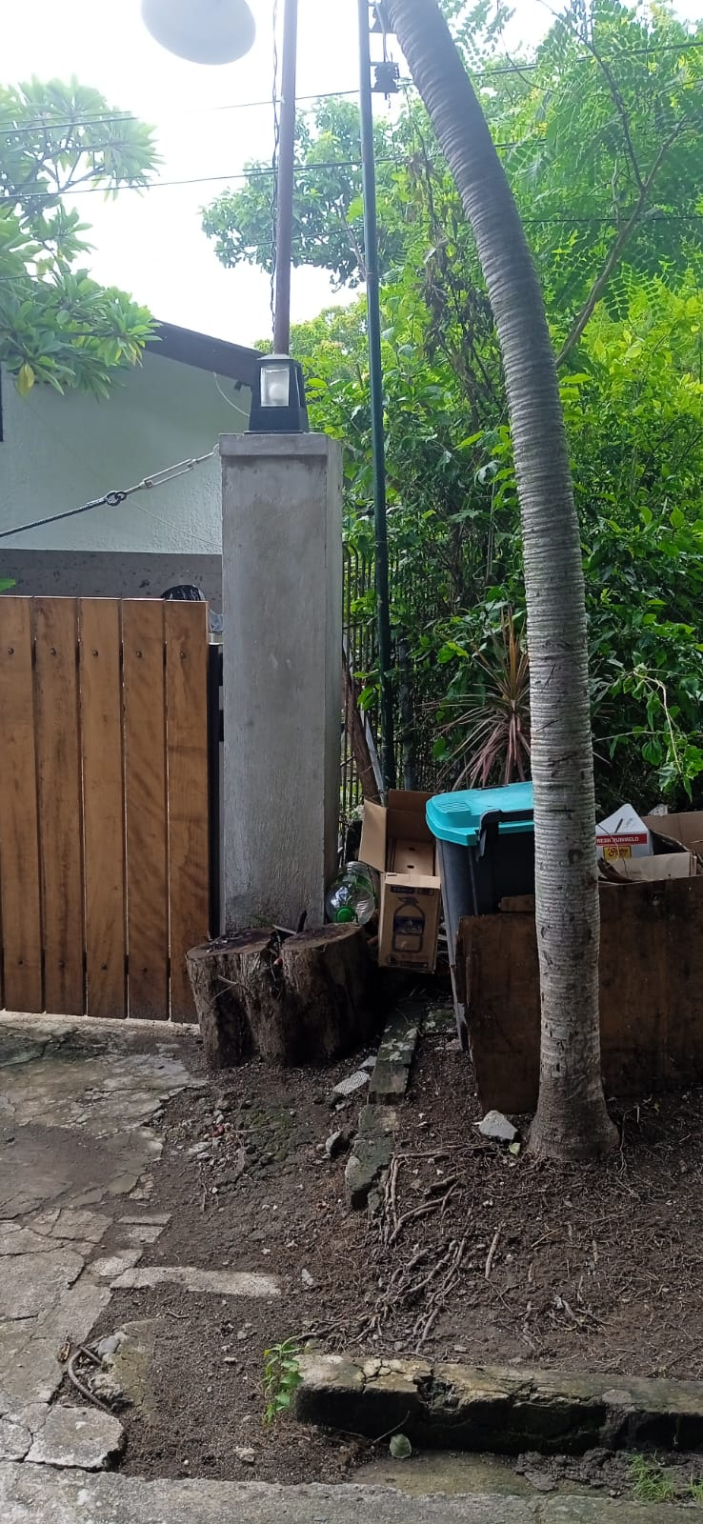 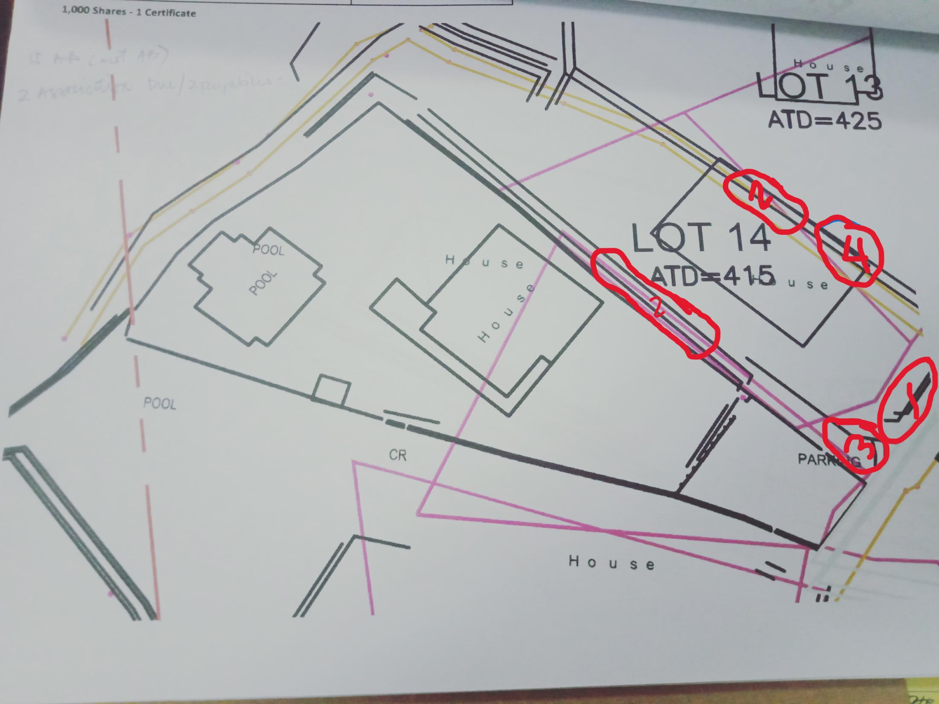 | 1.) Platform Outside Property is to be check with the surveyor if how many SQM. 2.) Part of walkway inside property is to be confirmed once the monument install by the surveyor. 3.) Part of Walk way in Front outside property to be inform after the surveyor put it in the right position. 4.) house is outside property.
Lot # 15 A & B Justlea Realty Inc. | 1.) Area and technical description of 15B Accretion. 2.) Overlap to lot 16 3.) Parking 4.) Servant Quarter | 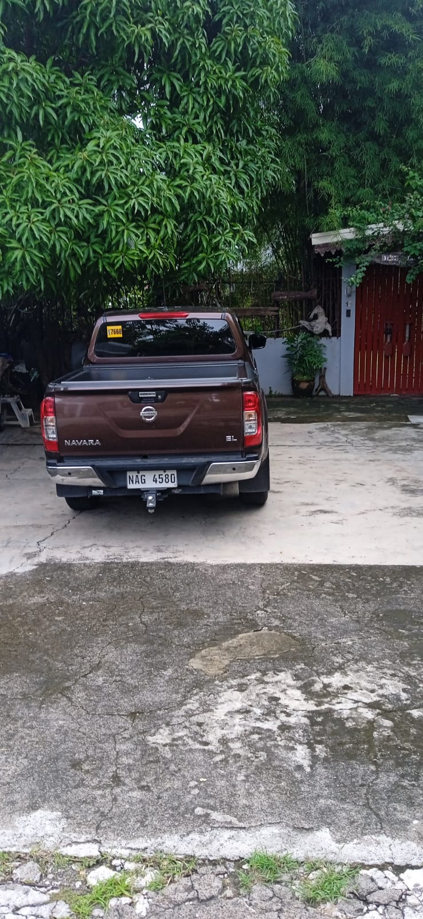 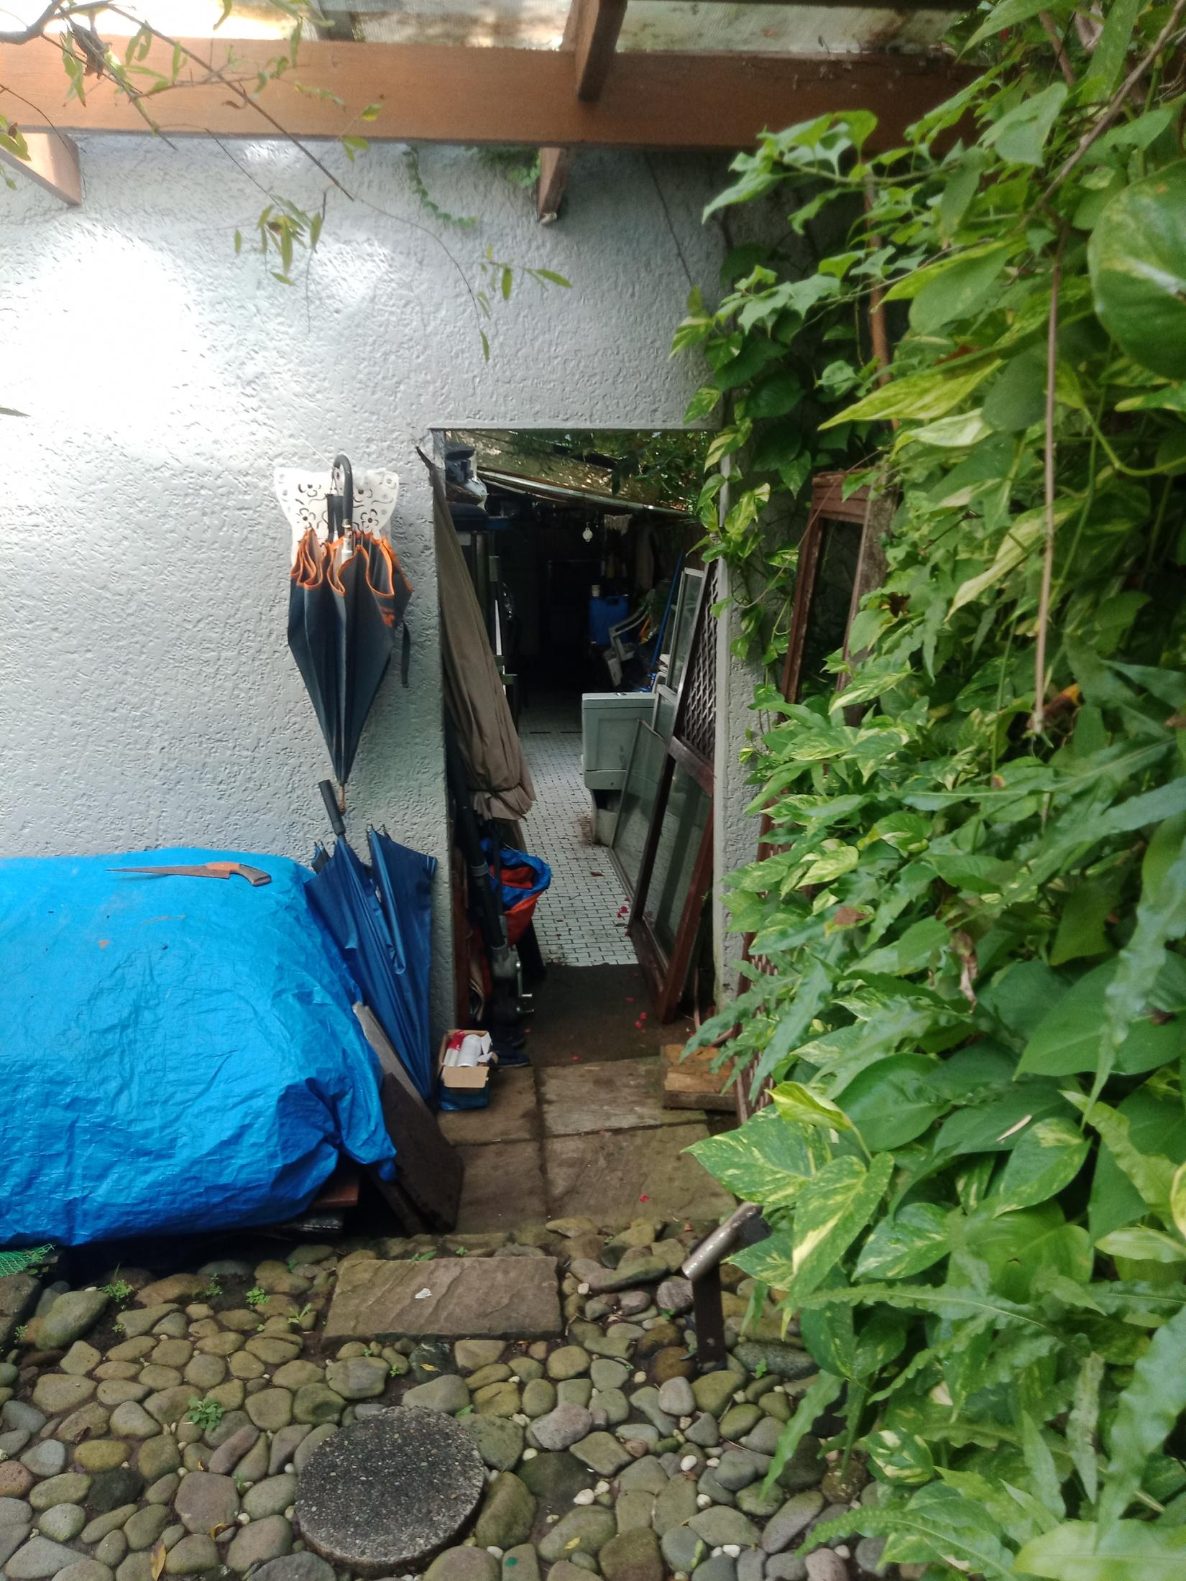 | 1.) for follow up 2.) overlap to lot # 16 to be check if how many meter and to get it from park land front of lot 14 facing sea as offset. 3. Parking - is inside the property line. 4.) Srvant Quarter - same owner as 14

